Solar
Turning the sun’s energy into useful electricity…
In Barrington, the total energy from the sun is about 0.36 kilowatt hours per square foot (kWh/sq ft) each day (annual average)

2013 Average Daily Solar Energy at Barrington Library (kWh/sq ft)
Jan | 0.18849284605
Feb | 0.22500013278
Mar | 0.34691747609
Apr | 0.52131612429
May | 0.55399799881
Jun | 0.55268566023
Jul | 0.5271322687
Aug | 0.50584409438
Sep | 0.29363900241
Oct | 0
Nov | 0.19329800195
Dec | 0.12501928832

Over a year, that adds up to about 131 kWh/sq.ft.


But, solar panels can only convert about 12% of the sun’s energy into useful electricity
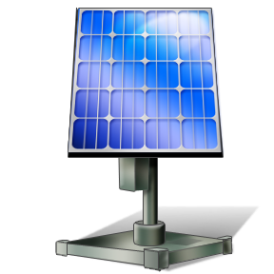

400 square feet of solar panels would produce about 6,400 kWh of electricity each year:
That is about 60 % of the average annual household usage (10,000 kWh per year)
At the rate of 16 cents per kWh, that would result in an annual saving of about $1,000
Therefore, each square foot of solar panels would produce about 16 kWh of electricity per year

Wind
Turning wind energy into useful electricity…
Therefore, each square foot of a wind turbine would produce about 72 kWh of electricity per year
Over a year, that adds up to about 180 kWh/sq.ft.
But, wind turbines can only convert about 40% of the wind energy into useful electricity
At Conimicut Light, the total wind energy is about 0.5 kilowatt hours per square foot (kWh/sq ft) each day (annual average)
2013 Average Daily Wind Energy at Conimicut Light (kWh/sq ft)
Jan | 0.6045893683
Feb | 0.79366138088
Mar | 0.65871785635
Apr | 0.66006906999
May | 0.44077609581
Jun | 0.40807882614
Jul | 0.25486758501
Aug | 0.23385044349
Sep | 0.2835797388
Oct | 0.26342779325
Nov | 0.76199000183
Dec | 0.33095167243

A 20,000 square foot wind turbine (160 foot diameter) at Conimicut Light would produce about 1,440,000 kWh of electricity each year:
At a rate of 16 cents per kWh, it would result in an annual saving of about $230,000
At an average household usage of 10,000 kWh per year, it could power 144 homes

